Evidences
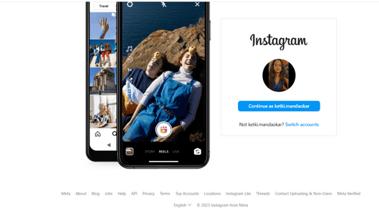
Sr. No. | Requirement ID | Scenario ID | Scenario Description | Test Case ID | Test Case Description | Expected Result | Designed by | Actual result | Status
1 | R_001 | SCE_001 | User to login instagram. | SCE_001_TC_001 | Verify if User is able to login instagram | User Should be able to login instagram. | Ketki M. | User is able to login instagram. | Pass

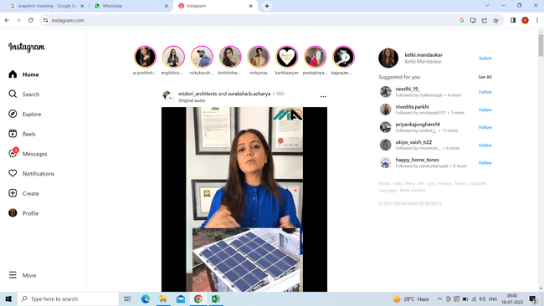

Sr. No. | Requirement ID | Scenario ID | Scenario Description | Test Case ID | Test Case Description | Expected Result | Designed by | Actual result | Status
2 | R_002 | SCE_002 | User to edit profile. | SCE_002_TC_002 | Verify if User is able to edit profile. | User Should be able to edit profile. | Ketki M. | User is able to edit profile. | Pass

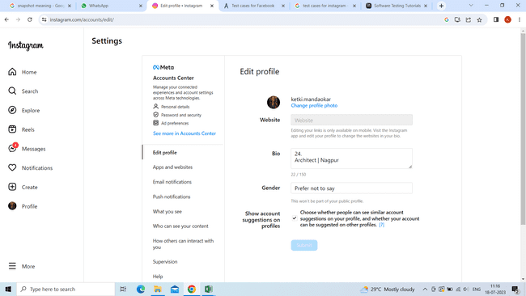

Sr. No. | Requirement ID | Scenario ID | Scenario Description | Test Case ID | Test Case Description | Expected Result | Designed by | Actual result | Status
3 | R_003 | SCE_003 | User to update bio. | SCE_003_TC_003 | Verify if User is able to update bio. | User Should be able to update bio. | Ketki M. | User is able to update bio. | Pass

Sr. No. | Requirement ID | Scenario ID | Scenario Description | Test Case ID | Test Case Description | Expected Result | Designed by | Actual result | Status
4 | R_004 | SCE_004 | User to change profile photo. | SCE_004_TC_004 | Verify if User is able to change profile photo. | User Should be able to change profile photo. | Ketki M. | User is able to change profile photo. | Pass

Sr. No. | Requirement ID | Scenario ID | Scenario Description | Test Case ID | Test Case Description | Expected Result | Designed by | Actual result | Status
5 | R_005 | SCE_005 | User to like post. | SCE_005_TC_005 | Verify if User is able to like post. | User Should be able to like post. | Ketki M. | User is able to like post. | Pass

Sr. No. | Requirement ID | Scenario ID | Scenario Description | Test Case ID | Test Case Description | Expected Result | Designed by | Actual result | Status
6 | R_006 | SCE_006 | User to view all their posts in their porfile. | SCE_006_TC_006 | Verify if User is able to view all their posts in their profile. | User Should be able to view all their posts in their profile. | Ketki M. | User is able to view all their posts in their profile. | Pass

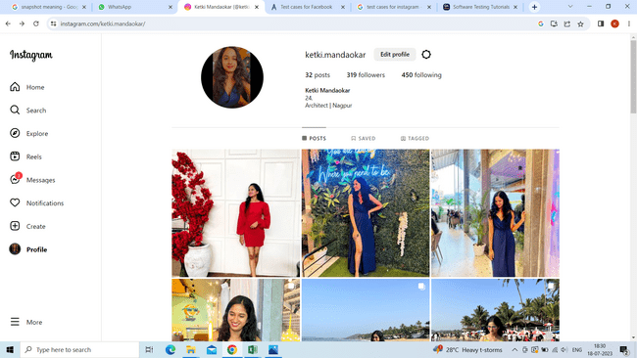

Sr. No. | Requirement ID | Scenario ID | Scenario Description | Test Case ID | Test Case Description | Expected Result | Designed by | Actual result | Status
7 | R_007 | SCE_007 | User to view their followers and accounts they are following | SCE_007_TC_007 | Verify if User is able to see their followers and accounts they are following. | User Should be able to view their followers and accounts they are following. | Ketki M. | User is able to view their followers and accounts they are following. | Pass

Sr. No. | Requirement ID | Scenario ID | Scenario Description | Test Case ID | Test Case Description | Expected Result | Designed by | Actual result | Status
8 | R_008 | SCE_008 | User to view likes and comments on their post. | SCE_008_TC_008 | Verify if User is able to view likes and comments on their post. | User Should be able to view likes and comments on their post. | Ketki M. | User is able to view likes and comments on their post. | Pass

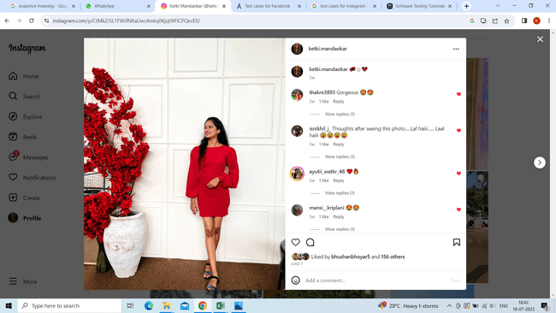

Sr. No. | Requirement ID | Scenario ID | Scenario Description | Test Case ID | Test Case Description | Expected Result | Designed by | Actual result | Status
9 | R_009 | SCE_009 | User to comment on post. | SCE_009_TC_009 | Verify if User is able to comment on post. | User Should be able to comment on post. | Ketki M. | User is able to comment on post. | Pass

Sr. No. | Requirement ID | Scenario ID | Scenario Description | Test Case ID | Test Case Description | Expected Result | Designed by | Actual result | Status
10 | R_010 | SCE_010 | User to like comment. | SCE_010_TC_010 | Verify if User is able to like comment. | User Should be able to like comment. | Ketki M. | User is able to like comment. | Pass

Sr. No. | Requirement ID | Scenario ID | Scenario Description | Test Case ID | Test Case Description | Expected Result | Designed by | Actual result | Status
11 | R_011 | SCE_011 | User to search account. | SCE_011_TC_011 | Verify if user is able to search account. | User Should be able to Search account. | Ketki M. | User is able to Search account. | Pass

Sr. No. | Requirement ID | Scenario ID | Scenario Description | Test Case ID | Test Case Description | Expected Result | Designed by | Actual result | Status
12 | R_012 | SCE_012 | User to follow account. | SCE_012_TC_012 | Verify if user is able to follow account. | User Should be able to follow account. | Ketki M. | User is able to follow account. | Pass

Sr. No. | Requirement ID | Scenario ID | Scenario Description | Test Case ID | Test Case Description | Expected Result | Designed by | Actual result | Status
13 | R_013 | SCE_013 | User to unfollow account. | SCE_013_TC_013 | Verify if user is able to unfollow account. | User Should be able to unfollow account. | Ketki M. | User is able to unfollow account. | Pass

Sr. No. | Requirement ID | Scenario ID | Scenario Description | Test Case ID | Test Case Description | Expected Result | Designed by | Actual result | Status
14 | R_014 | SCE_014 | User to share post. | SCE_014_TC_014 | Verify if user is able to share post. | User Should be able to share posts. | Ketki M. | User is able to share posts. | Pass

Sr. No. | Requirement ID | Scenario ID | Scenario Description | Test Case ID | Test Case Description | Expected Result | Designed by | Actual result | Status
15 | R_015 | SCE_015 | User to share reels. | SCE_015_TC_015 | Verify if user is able to share reels. | User Should be able to share reels. | Ketki M. | User is able to share reels. | Pass

Sr. No. | Requirement ID | Scenario ID | Scenario Description | Test Case ID | Test Case Description | Expected Result | Designed by | Actual result | Status
16 | R_016 | SCE_016 | User to upload the story. | SCE_016_TC_016 | Verify if user is able to upload the story. | User should be able to upload the story. | Ketki M. | User is able to upload story. | Pass

Sr. No. | Requirement ID | Scenario ID | Scenario Description | Test Case ID | Test Case Description | Expected Result | Designed by | Actual result | Status
17 | R_017 | SCE_017 | User to send reaction on the story. | SCE_017_TC_017 | Verify if user is able to send reaction on the story. | User should be able to send reaction on the story. | Ketki M. | User is able to send reaction on the story. | Pass

Sr. No. | Requirement ID | Scenario ID | Scenario Description | Test Case ID | Test Case Description | Expected Result | Designed by | Actual result | Status
18 | R_018 | SCE_018 | User to send message on the story. | SCE_018_TC_018 | Verify if user is able to send message on the story. | User should be able to send message on the story. | Ketki M. | User is able to send message on the story. | Pass

Sr. No. | Requirement ID | Scenario ID | Scenario Description | Test Case ID | Test Case Description | Expected Result | Designed by | Actual result | Status
19 | R_019 | SCE_019 | User to like the story. | SCE_019_TC_019 | Verify if user is able to like the story. | User should be able to like the story. | Ketki M. | User is able to like the story. | Pass

Sr. No. | Requirement ID | Scenario ID | Scenario Description | Test Case ID | Test Case Description | Expected Result | Designed by | Actual result | Status
20 | R_020 | SCE_020 | User to view reels after clicking on reel icon | SCE_020_TC_020 | Verify if user is able to view reels after clicking on reel icon | User Should be able to view reels after clicking on reels icon | Ketki M. | User is able to view reels after clicking on reels icon. | Pass

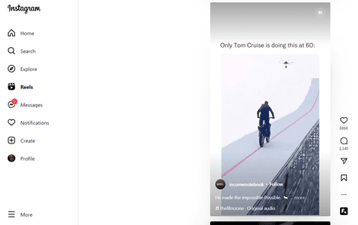

Sr. No. | Requirement ID | Scenario ID | Scenario Description | Test Case ID | Test Case Description | Expected Result | Designed by | Actual result | Status
21 | R_021 | SCE_021 | User to mention in the stories. | SCE_021_TC_021 | Verify if user is able to mention in the stories. | User Should be able to mention in the stories. | Ketki M. | User is able to mention in the stories. | Pass

Sr. No. | Requirement ID | Scenario ID | Scenario Description | Test Case ID | Test Case Description | Expected Result | Designed by | Actual result | Status
22 | R_022 | SCE_022 | User to mention in the posts. | SCE_022_TC_022 | Verify if user is able to mention in the posts. | User Should be able to mention in the posts. | Ketki M. | User is able to mention in the post. | Pass

Sr. No. | Requirement ID | Scenario ID | Scenario Description | Test Case ID | Test Case Description | Expected Result | Designed by | Actual result | Status
23 | R_023 | SCE_023 | User to edit Post. | SCE_023_TC_023 | Verify if user is able to edit Post. | User Should be able to edit Post. | Ketki M. | User is able to edit posts. | Pass

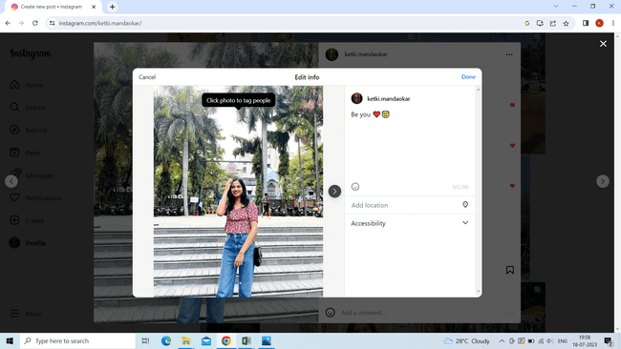

Sr. No. | Requirement ID | Scenario ID | Scenario Description | Test Case ID | Test Case Description | Expected Result | Designed by | Actual result | Status
24 | R_024 | SCE_024 | User to add caption to the post. | SCE_024_TC_024 | Verify if user is able to add caption to the post. | User Should be able to add caption to the post. | Ketki M. | User is able to add caption to the post. | Pass

Sr. No. | Requirement ID | Scenario ID | Scenario Description | Test Case ID | Test Case Description | Expected Result | Designed by | Actual result | Status
25 | R_025 | SCE_025 | User to edit caption to the post. | SCE_025_TC_025 | Verify if user is able to edit caption to the post. | User Should be able to edit caption to the post. | Ketki M. | User is able to edit caption to the post. | Pass

Sr. No. | Requirement ID | Scenario ID | Scenario Description | Test Case ID | Test Case Description | Expected Result | Designed by | Actual result | Status
26 | R_026 | SCE_026 | User to check QR code of profile. | SCE_026_TC_026 | Verify if user is able to check QR code of profile. | User Should be able to check QR code of profile. | Ketki M. | User is able to check QR code of profile. | Pass

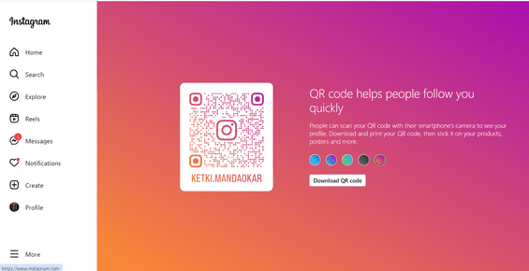

Sr. No. | Requirement ID | Scenario ID | Scenario Description | Test Case ID | Test Case Description | Expected Result | Designed by | Actual result | Status
27 | R_027 | SCE_027 | User to confirm or delete follow request. | SCE_027_TC_027 | Verify if user is able to confirm or delete follow request. | User Should be able to confirm or delete follow request. | Ketki M. | User is able to confirm or delete follow request | Pass

Sr. No. | Requirement ID | Scenario ID | Scenario Description | Test Case ID | Test Case Description | Expected Result | Designed by | Actual result | Status
28 | R_028 | SCE_028 | User to select notification option. | SCE_028_TC_028 | Verify if user is able to select notification option. | User Should be able to select notification option. | Ketki M. | User is able to select notification option | Pass

Sr. No. | Requirement ID | Scenario ID | Scenario Description | Test Case ID | Test Case Description | Expected Result | Designed by | Actual result | Status
29 | R_029 | SCE_029 | User to receive a notification when get a follow request. | SCE_029_TC_029 | Verify if user is able to receive a notification when get a follow request. | User Should be able to receive a notification when get a follow request. | Ketki M. | User is able to receive a notification when get a follow request | Pass

Sr. No. | Requirement ID | Scenario ID | Scenario Description | Test Case ID | Test Case Description | Expected Result | Designed by | Actual result | Status
30 | R_030 | SCE_030 | User to receive a notification when follow request gets approved. | SCE_030_TC_030 | Verify if user is able to receive a notification when follow request gets approved. | User Should be able to receive a notification when follow request gets approved. | Ketki M. | User is able to receive a notification when follow request gets approved. | Pass

Sr. No. | Requirement ID | Scenario ID | Scenario Description | Test Case ID | Test Case Description | Expected Result | Designed by | Actual result | Status
32 | R_032 | SCE_032 | User to receive notifications when someone like and comment their post. | SCE_032_TC_032 | Verify if user is able to receive notifications when someone like and comment their post. | User Should be able to receive notifications when someone like and comment their post. | Ketki M. | User is able to receive notifications when someone like and comment their post. | Pass

Sr. No. | Requirement ID | Scenario ID | Scenario Description | Test Case ID | Test Case Description | Expected Result | Designed by | Actual result | Status
33 | R_033 | SCE_033 | User to search profile in message box. | SCE_033_TC_033 | Verify if user is able to search profile in message box. | User Should be able to search profile in message box. | Ketki M. | User is able to search profile in message box | Pass

Sr. No. | Requirement ID | Scenario ID | Scenario Description | Test Case ID | Test Case Description | Expected Result | Designed by | Actual result | Status
34 | R_034 | SCE_034 | User to share images from computer. | SCE_034_TC_034 | Verify if user is able to share images form computer. | User Should be able to share images from computer. | Ketki M. | User is able to share images form computer | Pass

Sr. No. | Requirement ID | Scenario ID | Scenario Description | Test Case ID | Test Case Description | Expected Result | Designed by | Actual result | Status
35 | R_035 | SCE_035 | User to view the seen time of message. | SCE_035_TC_035 | Verify if user is able to view the seen time of message. | User Should be able to view the seen time of message. | Ketki M. | User is able to view the seen time of message | Pass

Sr. No. | Requirement ID | Scenario ID | Scenario Description | Test Case ID | Test Case Description | Expected Result | Designed by | Actual result | Status
36 | R_036 | SCE_036 | User to unsend the message on intagram application. | SCE_036_TC_036 | Verify if user is able to unsend the message on instagram application. | User Should be able to unsend the message on instagram application. | Ketki M. | User is able to unsend the message on instagram application | Pass

Sr. No. | Requirement ID | Scenario ID | Scenario Description | Test Case ID | Test Case Description | Expected Result | Designed by | Actual result | Status
37 | R_037 | SCE_037 | User to save posts and reels. | SCE_037_TC_037 | Verify if user is able to save posts and reels. | User Should be able to save posts and reels. | Ketki M. | User is able to save posts and reels | Pass

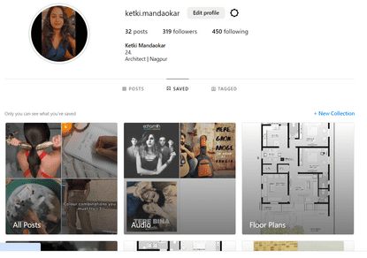

Sr. No. | Requirement ID | Scenario ID | Scenario Description | Test Case ID | Test Case Description | Expected Result | Designed by | Actual result | Status
38 | R_038 | SCE_038 | User to view tagged posts and reels on their profile. | SCE_038_TC_038 | Verify if user is able to view tagged posts and reels on their pofile. | User Should be able to view tagged posts and reels on their porfile. | Ketki M. | User is able to view tagged posts and reels on their pofile | Pass

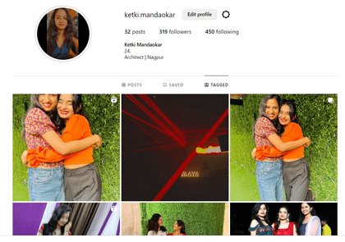

Sr. No. | Requirement ID | Scenario ID | Scenario Description | Test Case ID | Test Case Description | Expected Result | Designed by | Actual result | Status
39 | R_039 | SCE_039 | User to view all the posts and reels that they liked. | SCE_039_TC_039 | Verify if user is able to view all the posts and reels that they liked. | User Should be able to view all the posts and reels they liked. | Ketki M. | User is able to view all the posts and reels that they liked. | Pass

Sr. No. | Requirement ID | Scenario ID | Scenario Description | Test Case ID | Test Case Description | Expected Result | Designed by | Actual result | Status
40 | R_040 | SCE_040 | User to switch accounts. | SCE_040_TC_040 | Verify if user is able to switch accounts. | User Should be able to switch accounts. | Ketki M. | User is able to switch accounts | Pass

Sr. No. | Requirement ID | Scenario ID | Scenario Description | Test Case ID | Test Case Description | Expected Result | Designed by | Actual result | Status
41 | R_041 | SCE_041 | User to Block accounts. | SCE_041_TC_041 | Verify if user is able to Block accounts. | User Should be able to Block account. | Ketki M. | User is able to Block accounts | Pass

Sr. No. | Requirement ID | Scenario ID | Scenario Description | Test Case ID | Test Case Description | Expected Result | Designed by | Actual result | Status
42 | R_042 | SCE_042 | User to unblock account. | SCE_042_TC_042 | Verify if user is able to unblock account. | User Should be able to unblock account. | Ketki M. | User is able to unblock account | Pass

Sr. No. | Requirement ID | Scenario ID | Scenario Description | Test Case ID | Test Case Description | Expected Result | Designed by | Actual result | Status
43 | R_043 | SCE_043 | User to Restrict account. | SCE_043_TC_043 | Verify if user is able to Restrict account. | User Should be able to Restrict account. | Ketki M. | User is able to Restrict account | Pass

Sr. No. | Requirement ID | Scenario ID | Scenario Description | Test Case ID | Test Case Description | Expected Result | Designed by | Actual result | Status
44 | R_044 | SCE_044 | User to Unrestrict account. | SCE_044_TC_044 | Verify if user is able to Unrestrict account. | User Should be able to Unrestrict account. | Ketki M. | User is able to Unrestrict account | Pass

Sr. No. | Requirement ID | Scenario ID | Scenario Description | Test Case ID | Test Case Description | Expected Result | Designed by | Actual result | Status
45 | R_045 | SCE_045 | User to Hide like counts. | SCE_045_TC_045 | Verify if user is able to Hide like counts. | User Should be able to Hide like counts. | Ketki M. | User is able to Hide like counts | Pass

Sr. No. | Requirement ID | Scenario ID | Scenario Description | Test Case ID | Test Case Description | Expected Result | Designed by | Actual result | Status
46 | R_046 | SCE_046 | User to Unhide like counts | SCE_046_TC_046 | Verify if user is able to Unhide like counts. | User Should be able to unhide like counts. | Ketki M. | User is able to Unhide like counts | Pass

Sr. No. | Requirement ID | Scenario ID | Scenario Description | Test Case ID | Test Case Description | Expected Result | Designed by | Actual result | Status
47 | R_047 | SCE_047 | User to add location to post. | SCE_047_TC_047 | Verify if user is able to add location to post. | User Should be able to add location to post. | Ketki M. | User is able to add location to post | Pass

Sr. No. | Requirement ID | Scenario ID | Scenario Description | Test Case ID | Test Case Description | Expected Result | Designed by | Actual result | Status
48 | R_048 | SCE_048 | User to mute audio of post/video/reel. | SCE_048_TC_048 | Verify if user is able to mute audio of post/video/reel. | User Should be able to mute audio of post/video/reel. | Ketki M. | User is able to mute audio of post/video/reel | Pass

Sr. No. | Requirement ID | Scenario ID | Scenario Description | Test Case ID | Test Case Description | Expected Result | Designed by | Actual result | Status
49 | R_049 | SCE_049 | User to unmute audio of post/video/reel. | SCE_049_TC_049 | Verify if user is able to unmute audio of post/video/reel. | User Should be able to unmute audio of post/video/reel. | Ketki M. | User is able to unmute audio of post/video/reel | Pass

Sr. No. | Requirement ID | Scenario ID | Scenario Description | Test Case ID | Test Case Description | Expected Result | Designed by | Actual result | Status
50 | R_050 | SCE_050 | User to logout from instagram application. | SCE_050_TC_050 | Verify if user is able to logout from instagram application. | User Should be able to logout from instagram application. | Ketki M. | User is able to logout from instagram application | Pass

